Projection
 | 2019 | 2020 | 2021 | 2022 | 2023 | 2024 | 2025 | 2026 | 2027 | 2028 | 2029 | 2030
Time series | 16.835 | 17.227442208 | $17.88 | $19.01 | $20.21 | $21.48 | $22.83 | $24.26 | $25.78 | $27.39 | $29.09 | $30.90

Empirical | 16.835 | 17.227442208
Projected price (2019$s) |  |  | $17.88 | $19.01 | $20.21 | $21.48 | $22.83 | $24.26 | $25.78 | $27.39 | $29.09 | $30.90
Floor price in 2019 $s | $15.62 | $16.48 | $17.30 | $18.17 | $19.07 | $20.03 | $21.03 | $22.08 | $23.18 | $24.34 | $25.56 | $26.84

Percent above floor price per trend analysis |  |  | 3.3% | 4.7% | 6.0% | 7.3% | 8.6% | 9.9% | 11.2% | 12.5% | 13.8% | 15.1%

Empirical data | Average for the year | Price floor
#REF! | 17.0175 | 16.68 | 0.02023381295
2021 (half year) | 18.3 | 17.71 | 0.033314511575

Trend analysis | Annual count (X axis value) | Empirical data | % above floor price per trend analysis
2020 | 1 | 2.0% | 2.0%
2021 | 2 | 3.3% | 3.3%
2022 | 3 |  | 4.7%
2023 | 4 |  | 6.0%
2024 | 5 |  | 7.3%
2025 | 6 |  | 8.6%
2026 | 7 |  | 9.9%
2027 | 8 |  | 11.2%
2028 | 9 |  | 12.5%
2029 | 10 |  | 13.8%
2030 | 11 |  | 15.1%

parameter 1 | 0.0072
parameter 2 | 0.0131

Auction results summary
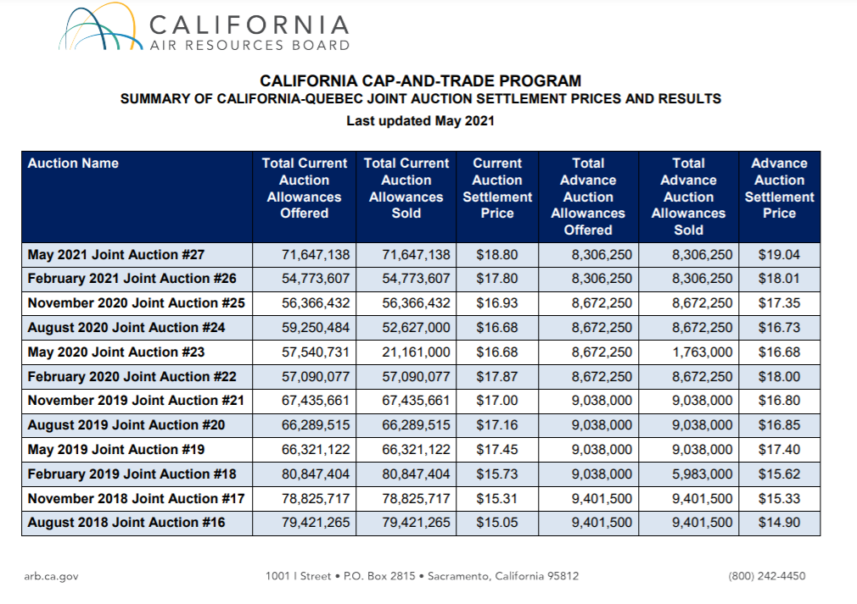
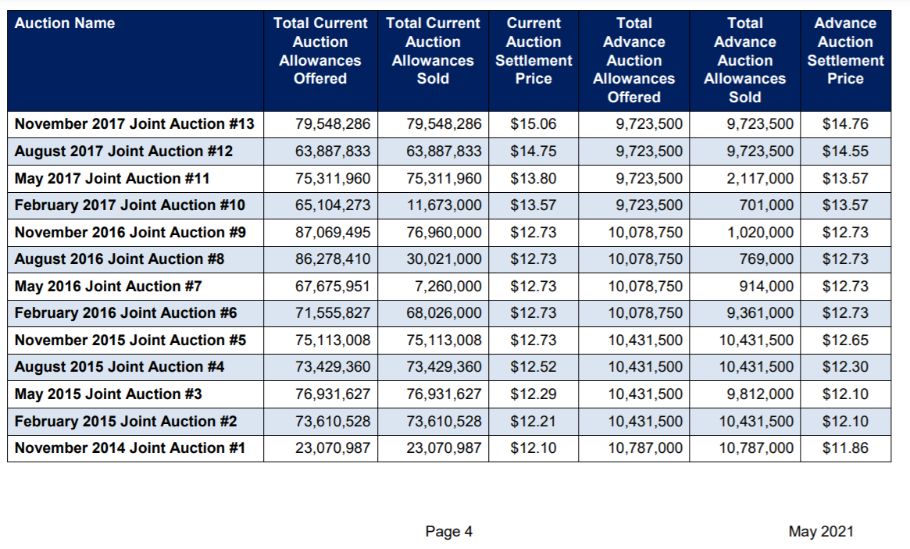
 | Average annual auction prices (nominal) | Auction reserve price (nominal) |  | Auction reserve price in 2019 $s
2016 | 12.73 | 12.73 | 0
2017 | 14.295 | 13.57 | 0.053426676492
2018 | 14.905 | 14.53 | 0.025808671714
2019 | 16.835 | 15.62 | 0.077784891165
2020 | 17.0175 | 16.68 | 0.02023381295 | 16.476729196
2021 | 18.3 | 17.71 | 0.033314511575

2019
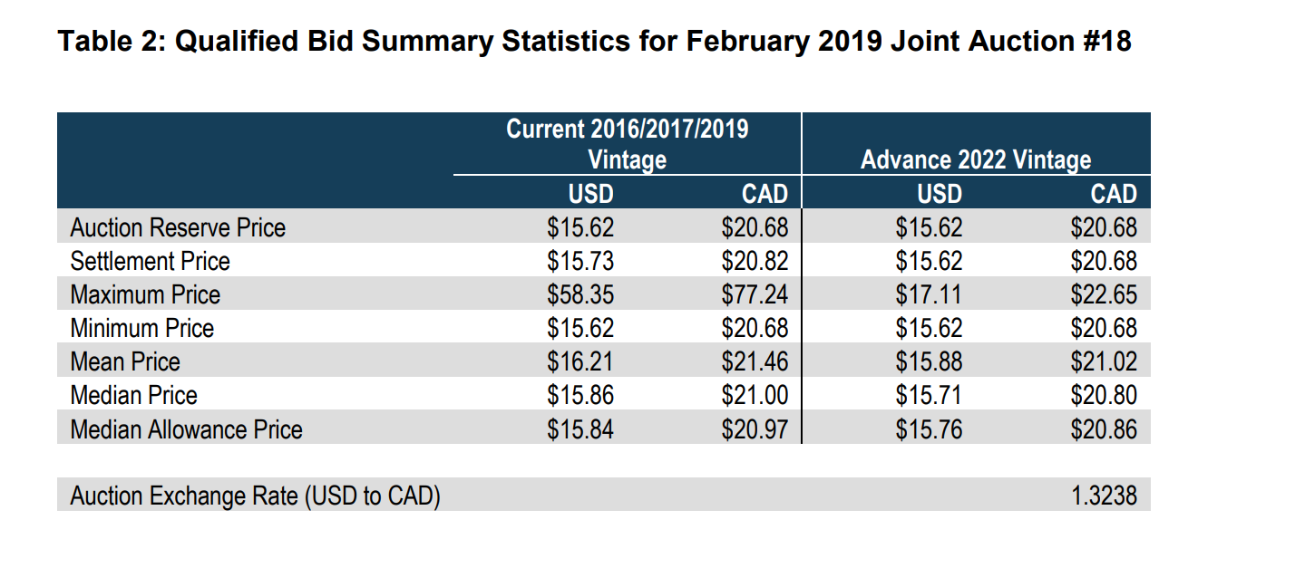
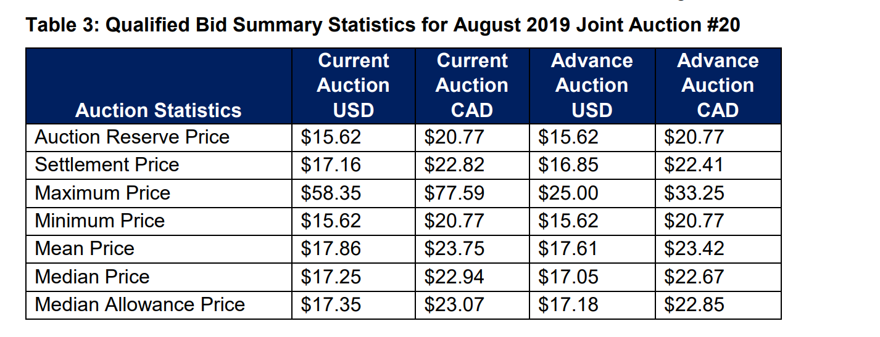
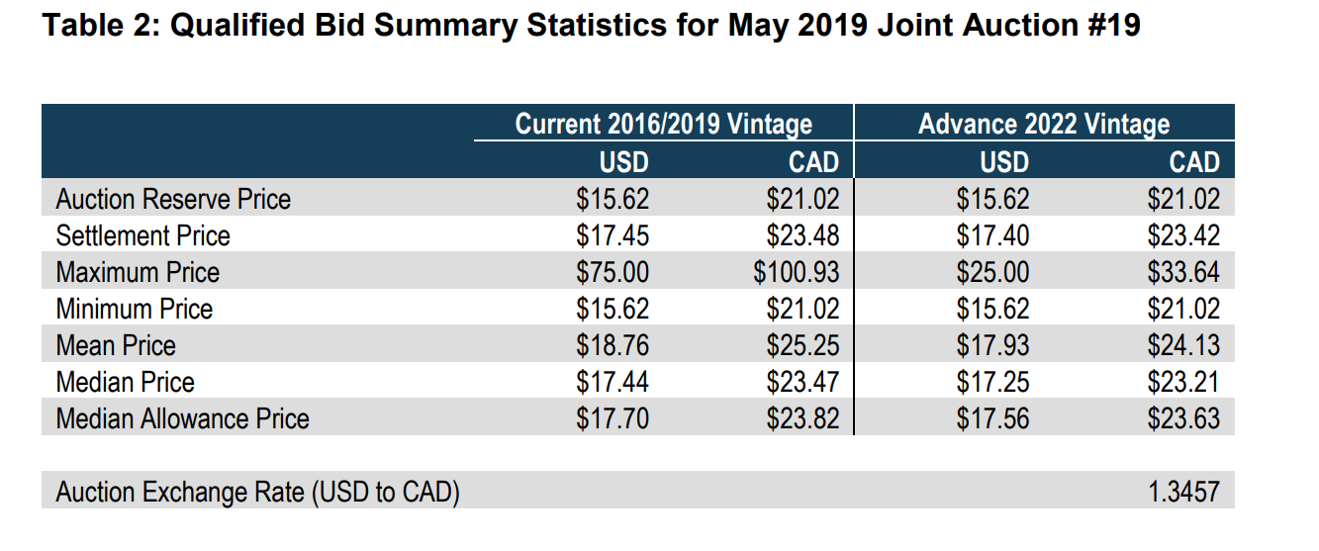
2019 | avg price | floor
2019 | 16.835 | 15.62
 |  |  |  | Q4
 | 15.73 | 17.45 | 17.16 | 17
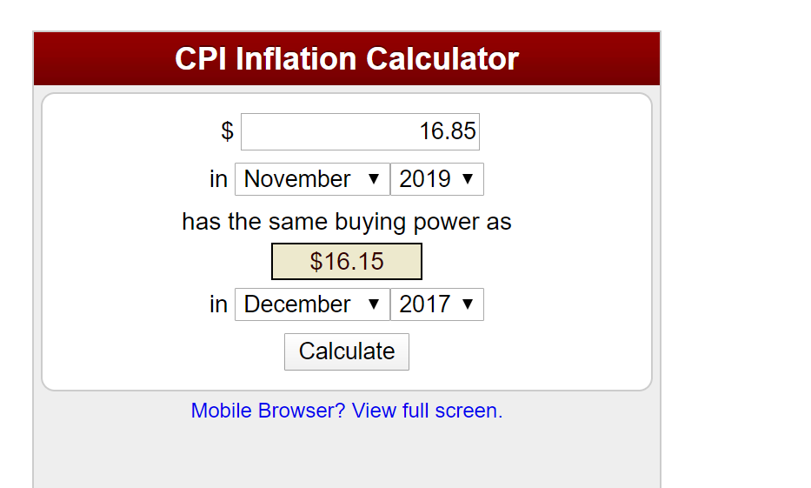
Average auction price |  |  | 16.835 |  | (2019 $s)
 |  |  | 16.15 | 2017 $s

May 21 (latest) auction results
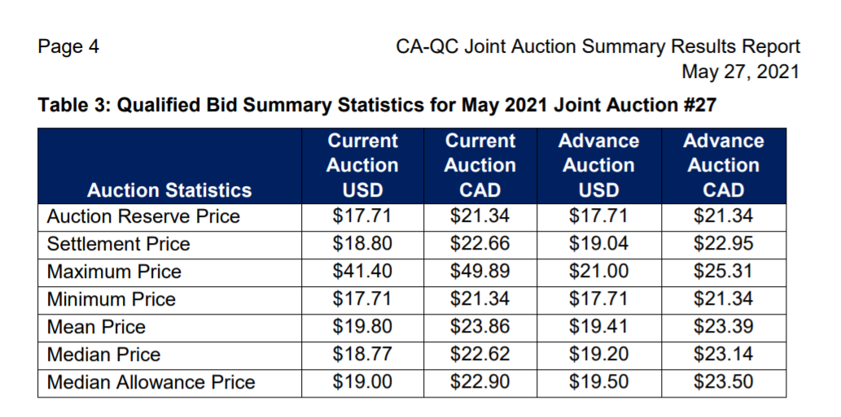
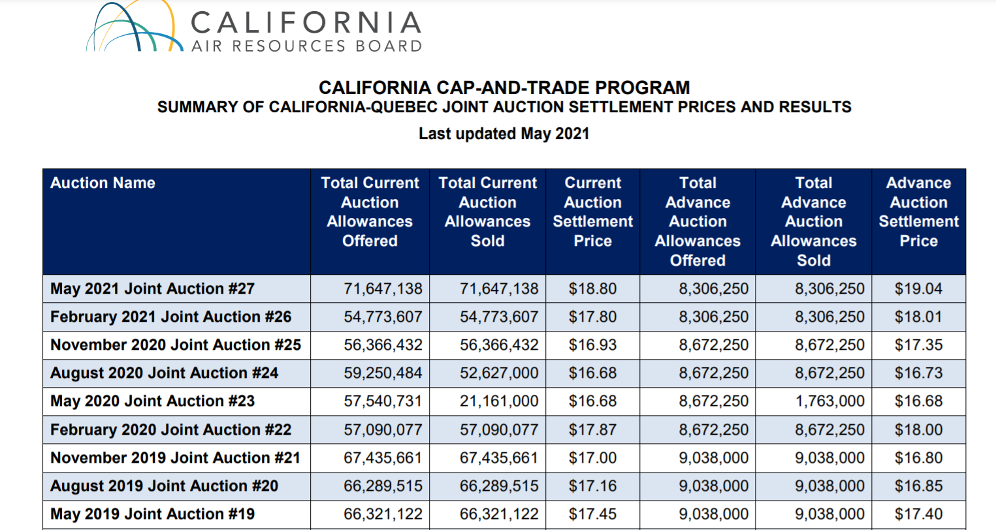
https://ww2.arb.ca.gov/sites/default/files/2020-08/results_summary.pdf

latest settlement price (May 2021) | $18.80
 | $17.71

Ratio of last settlment/auction reserve | 106.2%

